1. Title Page
[Instacart Grocery Basket Analysis]

Project Name: Exploratory Data Analysis
Date: July 12th 2021
Analyst Name: Kensuke Morris

Contents:
Population Flow
Consistency checks
Wrangling steps
Column derivations
Visualizations
Recommendations
References

2. Population Flow
Title page

Population flow

Exclusion flag
Condition: max_order < 5
Obervations to be removed: 7,989,982
Final total count of ords_prods_cust_merged : 24,414,877

orders_products_combined
orders_products_merged
ords_prods_cust_merged

Total:32,404,859
Total: 32,434,489
Total: 32,404,859

1.) The grey boxes in the first row of the population flow represent the original data sets as they were when you downloaded them. In the Total fields you need to add the count of the rows when you imported the data set into Jupyter.
2.) The second row of boxes (coloured) represents the data sets after you manipulated them, e.g., removed missing values and duplicates. In the Total fields you need to add the count of the rows after conducting these operations. This offers a visual oveview of how the data flows throughout the data consistency checks.
3.) The third row, where also the arrows are coloured, represents the merges you performed between the datasets. In the Total fields you need to add the count of the rows in the merged datasets, so that you end up with the final dataset (in the red box). Keep in mind the final dataset should be without exclusions (based on the exclusion flag).

3. Consistency checks
 |  |  |  |  | Title page
Consistency checks

Dataset | Missing values | Missing values treatment | Duplicates | Outliers
orders | days_since_prior_order | Imputed "0"
orders | prices |  |  | Changed to NA value
products | product name | Imputed with str 'missing'
orders_products_prior | n/a | n/a | n/a
customers | n/a | n/a | n/a

4. Wrangling steps
 |  |  |  | Title page
Wrangling steps

Columns dropped | Columns renamed | Columns' type changed | Comment/Reason
df_ords: ['eval_set'] |  |  | Column irrelevant to analysis
 | df_ords: ['order_dow'] |  | Renamed for better readability
 |  | df_ords: ['order_id'] | Changed from int64 to str, omitted from descriptive analysis
 |  | df_ords: ['user_id'] | Changed from int64 to str, omitted from descriptive analysis
 | Customers df ['firstname'] |  | for better readability
 | Customers df ['surname] |  | for better readability
 | Customers df ['age'] |  | for better readability
 | Customers df ['age'] |  | for better readability
 | Customers df ['gender'] |  | for better readability
 |  | Customers df ['First Name'] | Changed from mixed-type to string data type
Customers df ['firstname'] |  |  | Removed to protect user information (PII)
Customers df ['surname'] |  |  | Removed to protect user information (PII)
Customers df ['date_joined'] |  |  | Removed to protect user information (PII)
 |  | Customers df ['user_id'] | Changed from int64 to str, omitted from descriptive analysis

5. Column derivations
 |  |  |  | Title page

Column derivations and aggregations

Dataset | New column | Column/s it was derived from | Conditions
ords_prods_merged | price_range_loc | prices | Price>15 results in High-range product, Price <=15 but >5 results in Mid-range product, Price =<5 results in Low-range product
ords_prods_merged | busiest_day | orders_dow | Day 0 and 4 are busiest and slowest days. Remaining days Regular busy
ords_prods_merged | busiest_days (updated) | orders_dow | Day 0 & 1 are busiest, Day 3 & 4 are slowest days. The remaining days are Regular busy
ords_prods_merged | busiest_period_of_day | order_hour_of_day* | Busiest hours has count >= 1,000,000 orders Average hours has count between 100,000 and 999,999 orders Lowest hours has count < 100,000 orders
ords_prods_merged | max_order | order_number | Aggregated based on user_id
ords_prods_merged | loyalty_flag | max_order | Max order >40 is loyal customer, Max order >10 & <=40 is Regular customer, Max order <=10 is New Customer
ords_prods_merged | high_spenders flag | prices, user_id (mean) ['prices'] | High spender is >=10 and Low spender is <10,
ords_prods_merged | frequent_customer_flag | median_days_since_prior_ords (order frequency) | Frequency >20 is Non-frequent user, Frequency >10 & <=20 is Regular user, Frequency <=10 is Frequent user
ords_prods_cust_merged | income_levels | income | low income has value <= 60000, middle income is >60000 but <=90000. hiigh income is >= 90000
ords_prods_cust_merged | age_group | age | Young Adult is < 40, Middle Adult >=40 but < 60. Senior Adult is >= 60
ords_prods_cust_merged | customers_median_daytime | order_hour_of_the_day (mean) | Morning shopper: < 11, Mid-day Shopper: >= 11 & <15, Afternoon Shopper: >=15 & < 19, Night-time Shopper: >19
ords_prods_cust_merged | kids_count | department_id == 18 (baby product) | Aggregated based on user_id
ords_prods_cust_merged | parental_status** | fam_status(fs, n_dependants(nd), kids_count(kc) | single with kids: fs is single/divorced and nd >=1 and kc >=1 single without kids: fs is single/divorced and nd ==0 and kc ==0 couple with kids: fs is married and nd >=1 and kc >=1 married without kids: fs is married and kc < 1

*Note 1: Hours of the day are recorded in 24hour format.
**Note 2: The flag, parental_status, has missing values for users who did not fit the criteria.

6. Visualizations
 |  |  |  | Title page

Visualizations based on Key Questions

Tip: Zoom in/out to find questions(Q) faster

Contents
Question 1 (Q1)
Question 2 (Q2)
Question 3 (Q3)
Question 4 (Q4)
Question 5 (Q5)

Q1 | The sales team needs to know what the busiest days of the week and hours of the day are (i.e., the days and times with the most orders) in order to schedule ads at times when there are fewer orders.

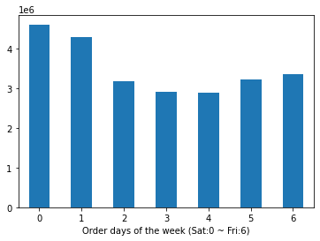
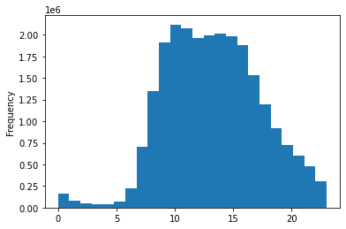

The histogram above shows that the busiest times are between 10am and 3pm during the day. There are large hourly spikes between 5am and 10am. Although not as large as mornings, orders have large decreases after 3pm. The drop in the number of orders slow down around 7pm. No orders seem to have occurred around 11 and 12 pm.
The most orders are on Saturdays (0) and Sundays (1). There is a decrease in the number of orders during Mondays (2) to Wednesdays (4). Then there are smaller gradual increases on Thursdays (5) and Fridays (6).

Q2 | They also want to know whether there are particular times of the day when people spend the most money, as this might inform the type of products they advertise at these times.
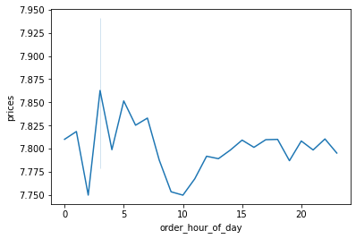
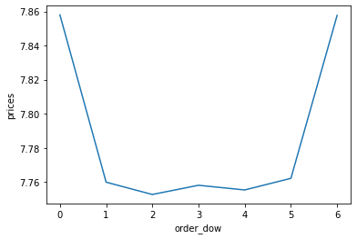

People spend most of their money on Saturdays (0) and Fridays (6).
Although midday has more orders, people spend most of their money during the early morning period.

Q3 | Instacart has a lot of products with different price tags. Marketing and sales want to use simpler price range groupings to help direct their efforts.
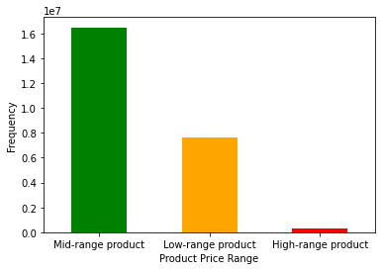
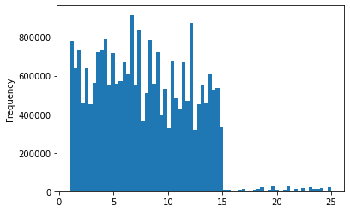
Criteria:
High range: > $15
Mid range: <= $15 but > $5
Low range: <= $5

The most popular price range is between $1 to $15. There are also subgroups of prices that may need further analysis. For example, between $10 and $15, there are two subgroups of products based on their prices. This result supports the adjacent chart relating to producte price ranges.
Most of the products sold are mid range products, followed by low-range products.

Q4 | Are there certain types of products that are more popular than others? The marketing and sales teams want to know which departments have the highest frequency of product orders.

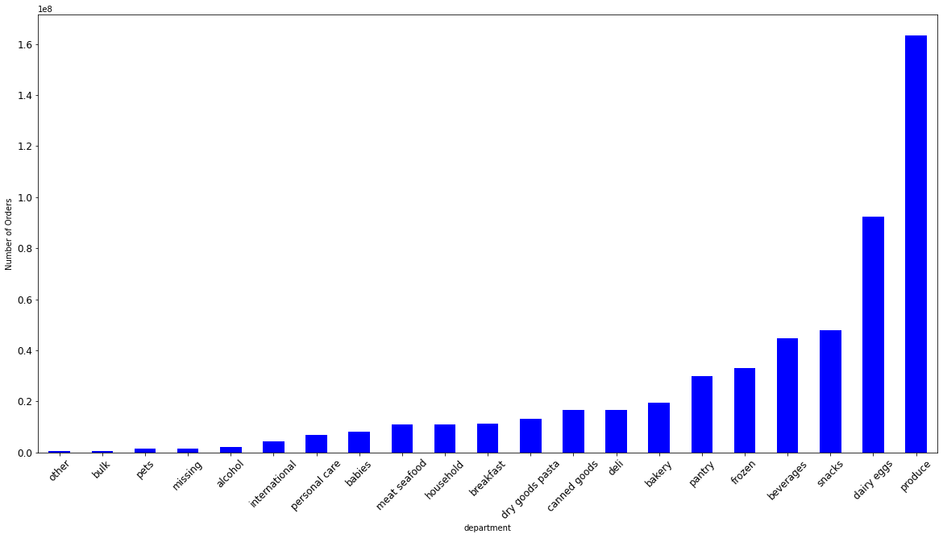

The produce and diary departments have the highest frequencies of order while bulk, pet and alcohol departments have among the lowest order frequencies.

Q5 | The marketing a.nd sales teams are particularly interested in the different types of customers in their system and how their ordering behaviors differ.

 |  | Q5a | What’s the distribution among users in regards to their brand loyalty (i.e., how often do they return to Instacart)?

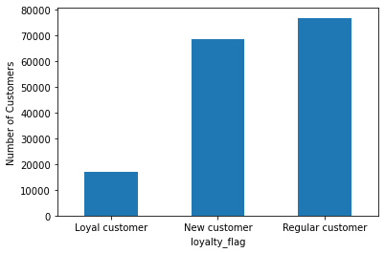
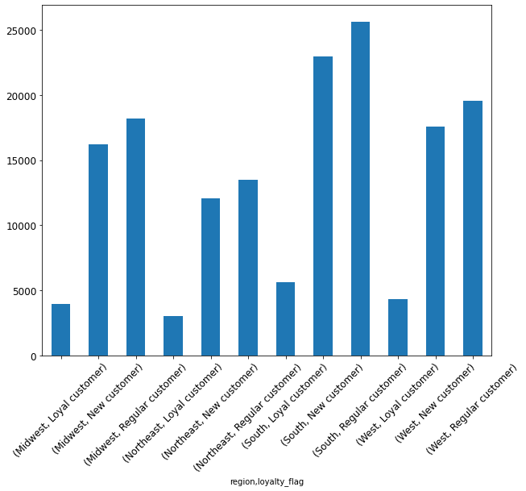
Midwest
Northeast
South
West

(Figure above) Loyal customer are the least represented group in the dataset in contrast to regular customers.

(Figure right) The number of customers in each region are also similar.

 |  | Q5b | Are there differences in ordering habits based on a customer’s loyalty status?

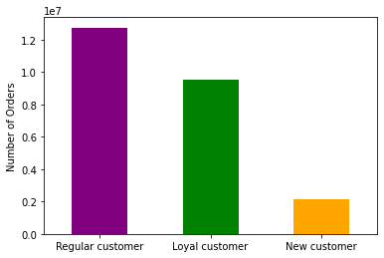
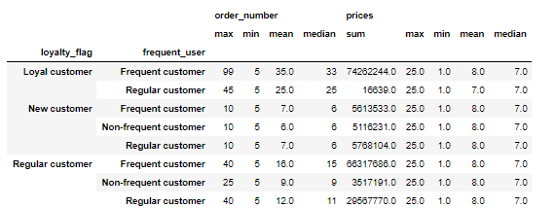

In contrast to the grouping of customer based on brand loyalty (Q5a), loyal customers are the second most popular based on the numvber of orders.
In contrast to the grouping of customers based on brand loyalty (Q5a), loyal customers are the second most popular based on the number of orders.

 |  | Q5c | Are there differences in ordering habits based on a customer’s region?

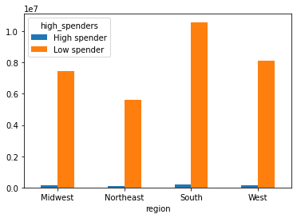
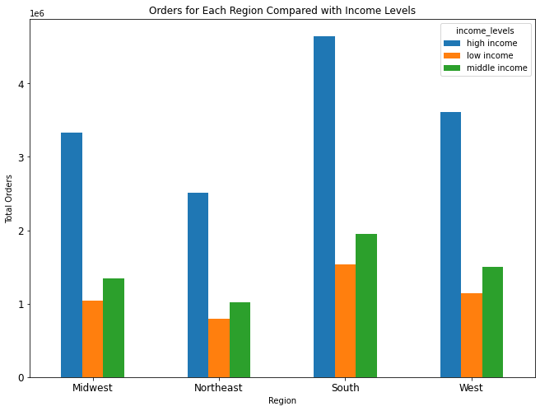
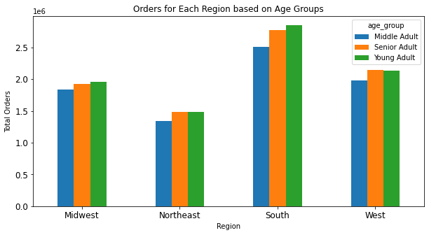
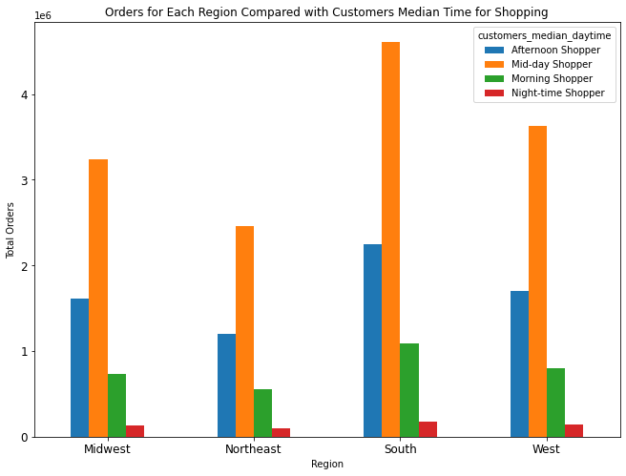
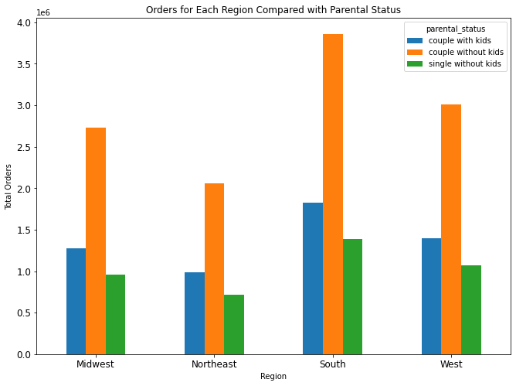

A similar pattern of orders from customers exist based on age groups in each region. In the Northeast and West regions, Younger and Senior adults had a similar amount of orders.

Low spenders are present in similar numbers in each region.

A similar pattern of orders from customers exist based on income levels in each region.
As mentioned in Q1, mid-day has the highest number of orders. The chart above suggests that a similar pattern exist in all regions.
Couples without children hav the highest number of orders in each region.

 |  | Q5d | Is there a connection between age and family status in terms of ordering habits?

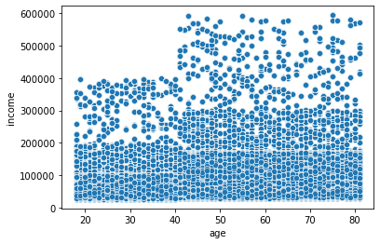
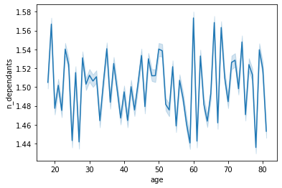

The variation in number of dependents suggests no significant difference between age and the number of dependants (n_dependants) of customers. It is interesting to see a drop in number of dependants near age 80 followed by a spike. Further analysis is needed for a more objective explanation.

There is a weak positive relationship between age and the spending power of customers. There is too much variation in the data, thus no trend. The chart above shows that before 40 years, there is less spending power. This information can be used to segment customers into an UNDER OR EQUAL TO 40 and OVER 40 group.

 |  | Q5e | What different classifications does the demographic information suggest? Age? Income? Certain types of goods? Family status?

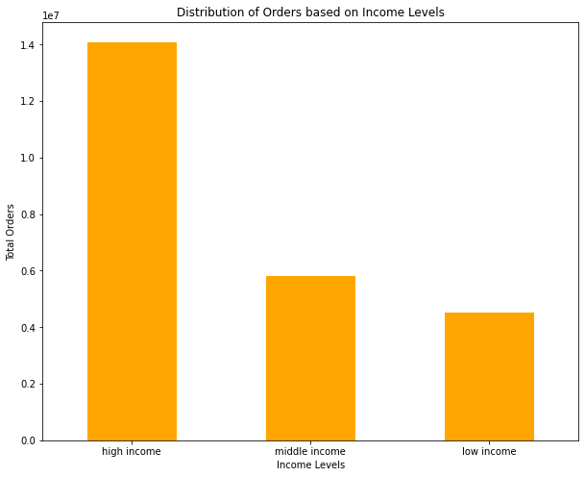
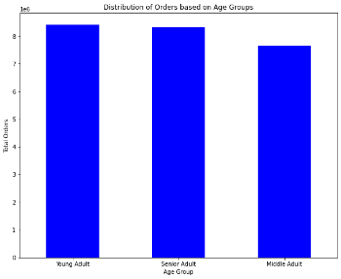
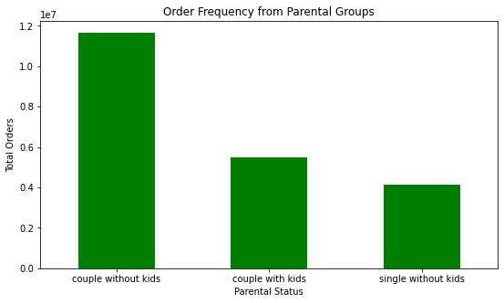
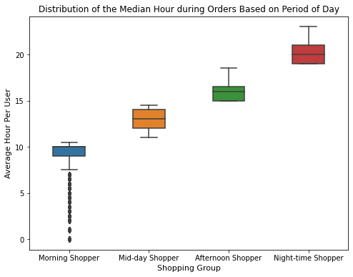

 |  |  |  |  | .

There is a higher number of orders from couples with children. No single parents with children were identified based on the filtering criteria determined by the analyst.

Most morning shoppers shop between 9 and 10 am. Afternoon shoppers do most of their shopping in the early afternoon. One explanation can be that during commute to home or dinner time, afternoon shoppers are less active. This result will help stakeholders know exactly which tv shows to target.

There is a higher number of orders from high income customers. Considering Q5b, it can be assumed that an important amount of regular customers are high income customers. There are oppurtunities to increase the spending of high income customers.
As suggested in Q5c, younger and senior customers has the most orders. One possible explanation is that younger students and professionals are busy building their career and prefer convenience similar to senior adults.

 |  | Q5f | What differences can you find in ordering habits of different customer profiles? Consider the price of orders, the frequency of orders, the products customers are ordering, and anything else you can think of.

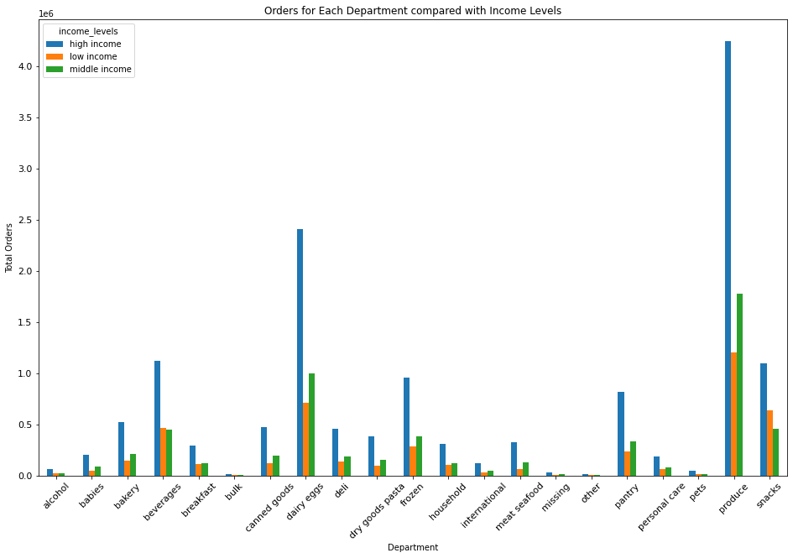
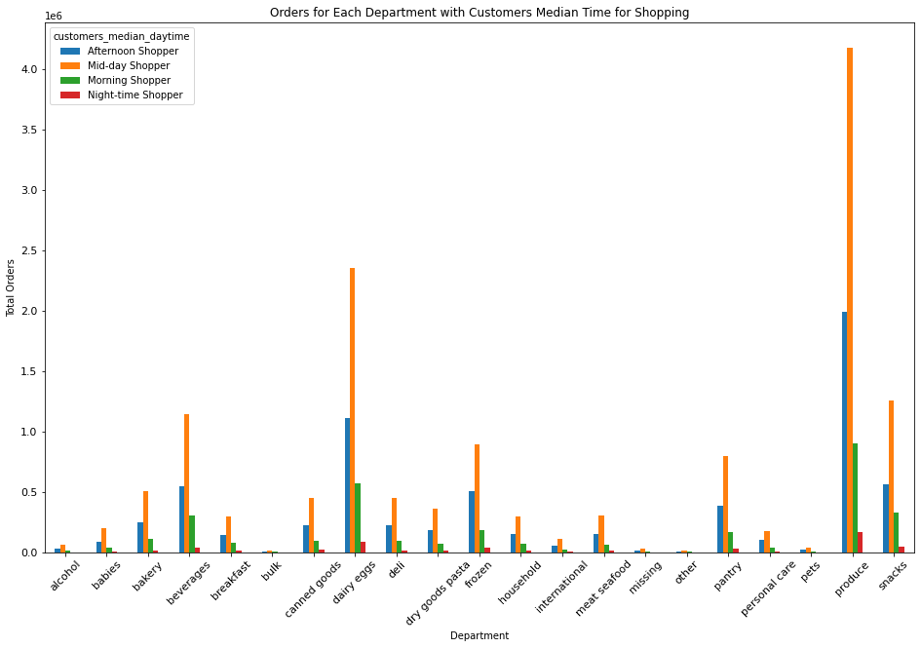

 |  |  |  |  |  | .

Generally, high income customers had the most orders for the product categories. However, for bevergaes and snacks, low income customers surpassed middle income customers. Further analysis is needed to explore this results.
Generally, high income customers had the most orders for the product categories. However, for beverages and snacks, low income customers surpassed middle income customers. Further analysis is needed to explore this result.
A similar pattern exists across all product types in the ordering habits of morning to night time customer groups.

7. Recommendations
 |  |  |  | Title page

Recommendations
Tip: Zoom in/out to find questions(Q) faster
Questions 1 - 5 are abbreviated Q1 to Q5.

Q1 | The sales team needs to know what the busiest days of the week and hours of the day are (i.e., the days and times with the most orders) in order to schedule ads at times when there are fewer orders.
Supporting Vizualizations
Recommendation

The most orders are on Saturdays (0) and Sundays (1). The busiest times are between 10am and 3pm during the day.
Schedule ads during Mondays (2) to Wednesday (4) since these are the days with the least number of orders.
In specific, ads should be scheduled between 5am and 7am in the morning, and/or 7pm to 10pm since these are the times with fewer orders.

Fewer Orders

Q2 | They also want to know whether there are particular times of the day when people spend the most money, as this might inform the type of products they advertise at these times.

Supporting Vizualizations
Recommendation

Although midday has the most number of orders, people spend most of their money during the early morning period. Additionally, People spend most of their money on Saturdays and Fridays.
Special deals for more expensive products can be advertised between 3am and 7am on Fridays and Saturdays.

Q3 | Instacart has a lot of products with different price tags. Marketing and sales want to use simpler price range groupings to help direct their efforts.
Supporting Vizualizations
Recommendation

The most popular price range is between $1 to $15. High range products need a sperate marketing strategy. Most orders are made by high income customers, but high range products are still low in sales.
Deeper market research into the relation between high income customers and their preferences for high range products should be conducted.
There are also subgroups of prices that may need further analysis. For example, between $10 and $15, there are two subgroups of products based on their prices. Further research into these subgroups may yield new customer segments for personalized ads.

Criteria:
High range: > $15
Mid range: <= $15 but > $5
Low range: <= $5

Q4 | Are there certain types of products that are more popular than others? The marketing and sales teams want to know which departments have the highest frequency of product orders.

Supporting Vizualizations
Recommendation
Produce and diary departments have the highest frequencies of order while bulk, pet and alcohol departments are among the lowest order frequencies.
Since high income customers dominate the sales in most departments, luxury items particular in the personal care, babies, pets, and alcohol departments can be marketed. A targeted marketing strategy based on income levels may help increase the number of orders in the aforementioned departments.
Additionally, similar marketing strategies can be used for shoppers based on their main order hours. During the summer, beverages can be targeted to afternoon shoppers, but deeper analysis is needed to personalize the advertisements even further.
Additional data collection is required to further unlock opportunities to target morning to night-time shoppers. The job type of a customer can allow use to know if the customer sits in an office or works outside. Based on their job activities, personalized advertisements can be made through the Instacart application.

Q5 | The marketing and sales teams are particularly interested in the different types of customers in their system and how their ordering behaviors differ
Supporting Vizualizations

 |  | Q5a | What’s the distribution among users in regards to their brand loyalty (i.e., how often do they return to Instacart)?

Recommendation
Regular to loyal

Loyal customers are the least represented group in the dataset in contrast to regular customers. A customer lifetime marketing strategy is needed to increase the conversation rates of new customer to regular customers, and regular customers to loyal customers.
An opportunity also existed for a subset of loyal customers to become "evangelist" customers where their loyalty is rewarded not only by their repeated orders, but their close friends and relatives becoming loyal customers also based on influence and other factors.

Loyal to ???
New to regular

 |  | Q5b | Are there differences in ordering habits based on a customer’s loyalty status?

Recommendation
Supporting Vizualization
Although there is a large number of new customers (Q5a), orders from this group is still low. Ads that are easy to understand for 'newbies' as well as video tutorials about how to make the most out of Instacart app through discounts and deals should be shared with new customers.

 |  | Q5c | Are there differences in ordering habits based on a customer’s region?
Recommendation
Supporting Vizualizations

There is no need to segment customers based on regions because a similar representation exists for different subgroups. Advertisements can generally work for all regions.
Deeper market research can be done to gather region specific cultural differences that can lead to new product offerings based on regional contexts.

 |  | Q5d | Is there a connection between age and family status in terms of ordering habits?

Supporting Vizualizations
Recommendation

There are no differences found between age and income along with family status. Deeper statistical analysis is needed to confirm this result.

 |  |  |  |  | .

8. References
 | Title page
References

“The Instacart Online Grocery Shopping Dataset 2017”, Accessed from https://www.instacart.com/datasets/grocery-shopping-2017 on June 20, 2021

Additional Information:
Product prices and customer data set have been artificially enriched for learning purposes.

Data Limitations
The analyst's interpretation of the number of dependents could not be confirmed since a data dictionary was unavailable.

